Sheet1
 |  | Document No. | Issue No. | Issue Date |  | Review and Replace Date |  | Authorised By
 |  | GFF230MC | 2 | 12.10.2020 |  | 23.12.2021 |  | Magda Shah
 |  | Document Title | CRISPY BEEF WITH SWEET CHILLI SAUCE 225G
Document amendments reason for change |  | Film Updated |  |  | Page 1 of 1 | Previous Issue Date | 12.10.2020 | Uncontrolled copy unless signed original

CBSC-R4TEB | BOOTHS AYR |  | CRISPY BEEF WITH SWEET CHILLI SAUCE 225G
STEP 1 |  |  |  |  | STEP 2
 |  |  |  |  | 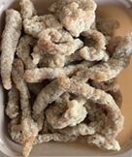

Tray: EVOLVE CPET 2200-2C (PKRHP001-12) |  |  |  |  | British Dry Coated Beef Strips (RMKIM001-02): 110g

Film: K peel 7G+25A/f- 275mm (275 mmX1000)(PKKMP001-03)

STEP 3 |  |  |  |  | STEP 4
 |  |  |  |  | 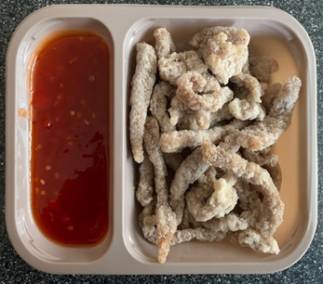

PACK DAY
+ 12 DAYS

Sweet Chill Sauce (GFF109R): 115g |  |  |  |  | TOTAL WEIGHT: 225g

ALLERGY ALERT: Sulphites, Sesame, Wheat

